Sheet1
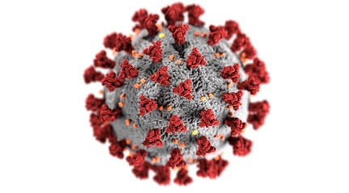
Unemployment Analysis in India
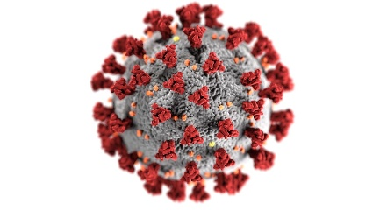

Unemployment analysis based on Estimated number of Employees
before and after covid 19
Correlation plot before covid
Correlation plot after covid

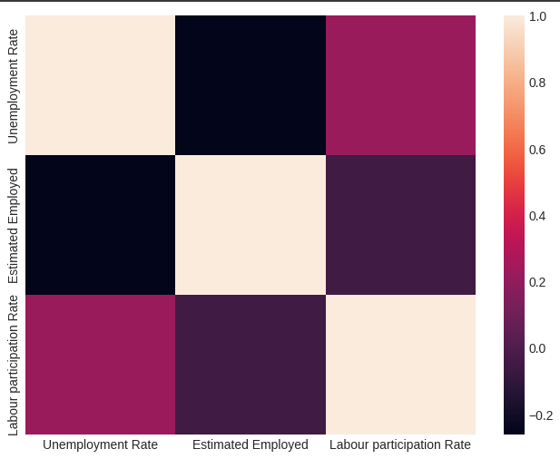
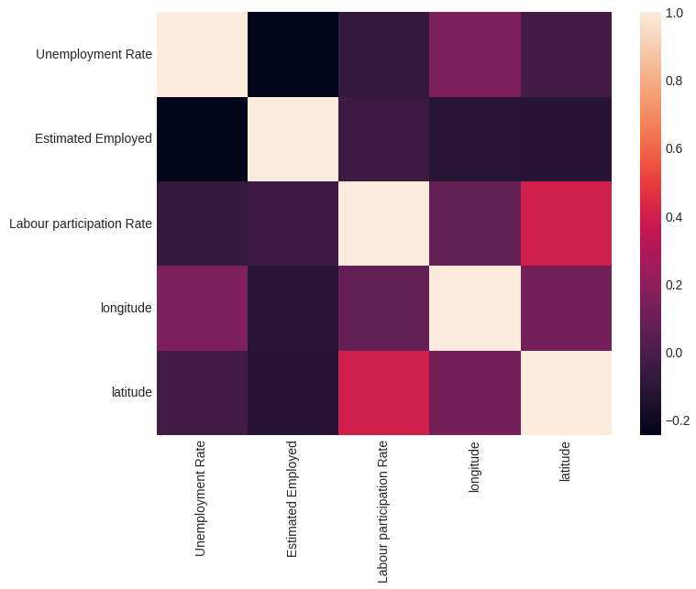
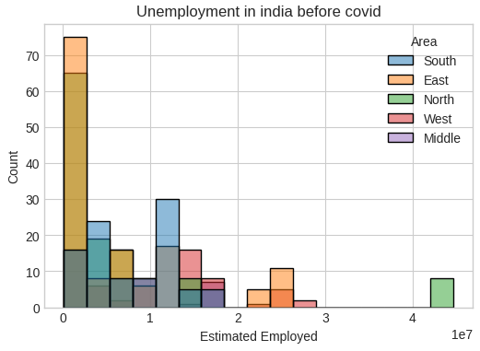
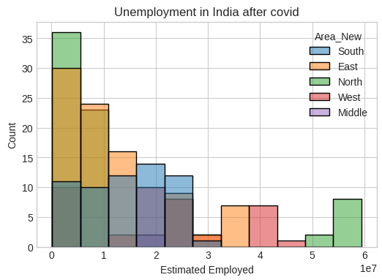

Unemployment analysis based on Unemployment rate
before and after covid 19

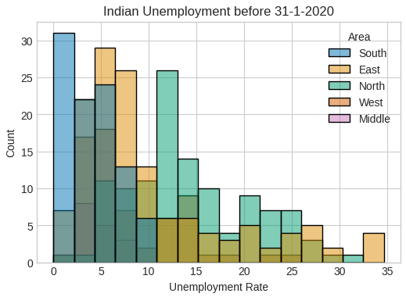
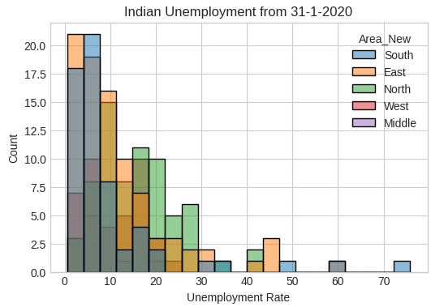

Pie chart distribution based on average Unemployment rate
before and after covid 19

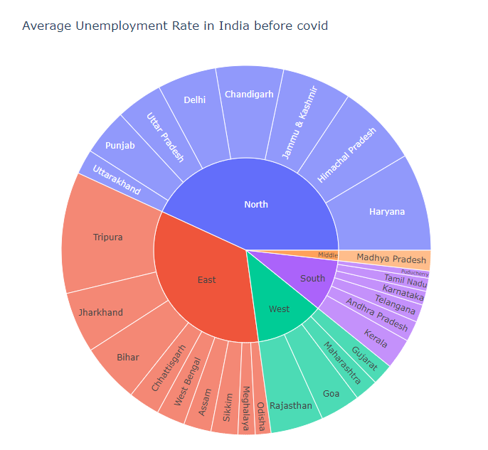
Few Conclusions:
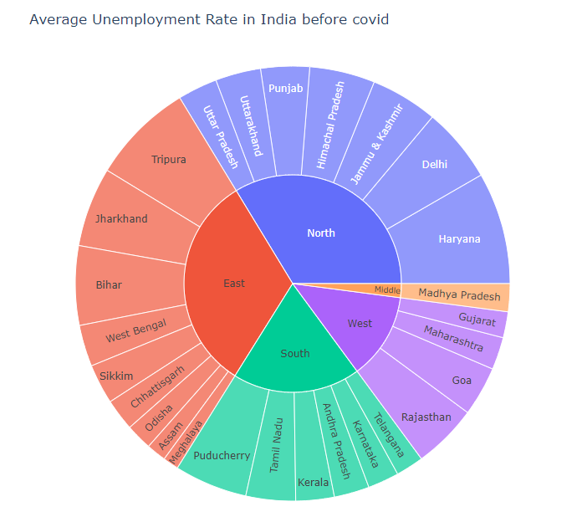

Area | Before | After | Increase/ Decrease | % change
North | 115.15% | 111.30% | Decrease | 3.34%
South | 24.07% | 62.72% | increase | 160.57%
East | 90.80% | 107% | increase | 17.84%
West | 32% | 42% | increase | 31.25%
Middle | 4.7 | 6.80% | increase | 44.70%

Therefore, South Contribution is the greatest

Analyzing South in more depth

Region | Before | After | Increase/ Decrease | % change
Puducherry | 1.70% | 17.90% | increase | 952.94%
Tamil Nadu | 3.06% | 12.19% | increase | 298.26%
karnataka | 3.23% | 8% | increase | 138.40%
Telangana | 4% | 7% | increase | 65.77%
Andra Pradesh | 5% | 9% | increase | 79.87%
Kerala | 7.13% | 9.43% | increase | 32.25%

